Favorites_2019_Feb
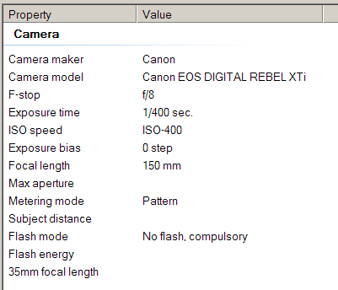
Date | Time | Picture | Camera Setting | Note: All Camera Setting with F-stop at f/0 shot with a non-Canon super telephoto so F-stop and Focal length info not available.
2019-02-06 | 8:41:00 | IMG_3533.JPG

2019-02-07 | 7:48:00 | IMG_3568.JPG

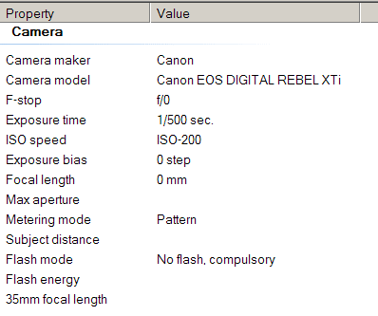
2019-02-07 | 7:49:00 | IMG_3571.JPG

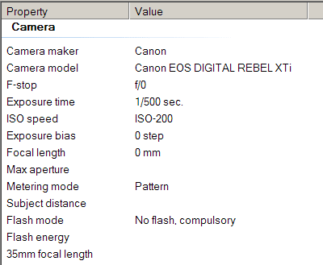
2019-02-09 | 9:31:00 | IMG_3590.JPG

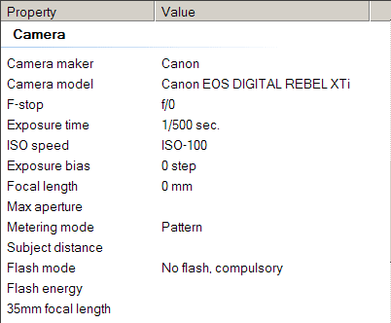
2019-02-11 | 7:55:00 | IMG_3651.JPG

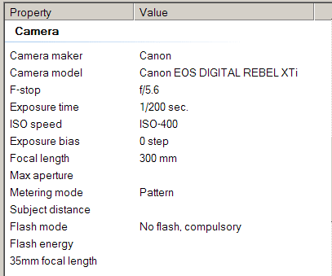
2019-02-12 | 7:41:00 | IMG_3676.JPG

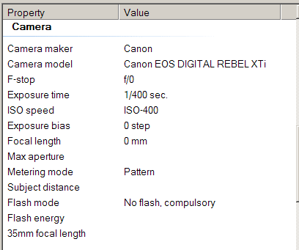
2019-02-14 | 13:34:00 | IMG_3736.JPG

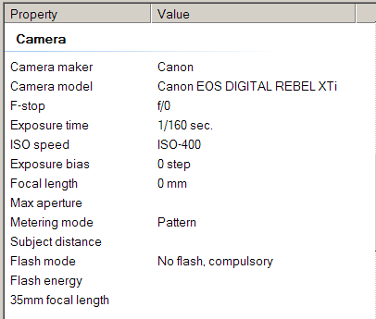
2019-02-15 | 9:43:00 | IMG_3911.JPG

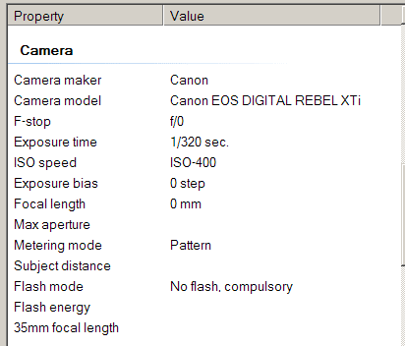
2019-02-16 | 9:10:00 | IMG_3932.JPG

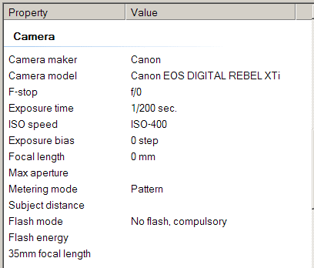
2019-02-17 | 8:51:00 | IMG_3998.JPG

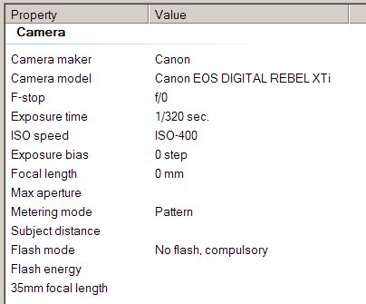
2019-02-17 | 9:32:00 | IMG_4097.JPG

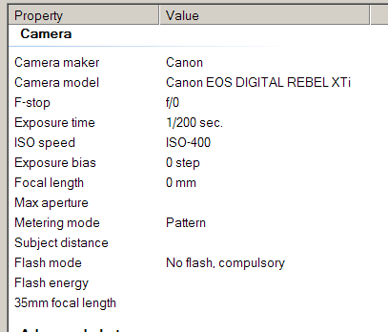
2019-02-17 | 9:33:00 | IMG_4120.JPG

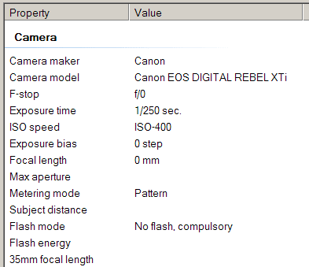
2019-02-17 | 9:33:00 | IMG_4127.JPG

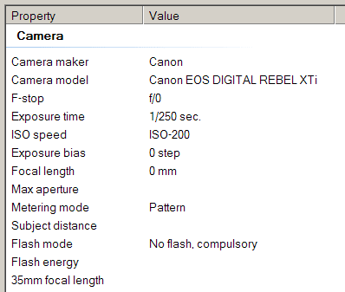
2019-02-18 | 7:52:00 | IMG_4235.JPG

2019-02-21 | 12:35:00 | IMG_4264.JPG

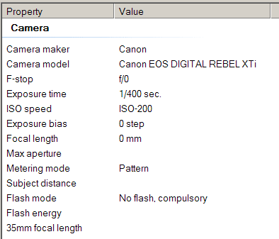
2019-02-24 | 8:05:00 | IMG_4388.JPG

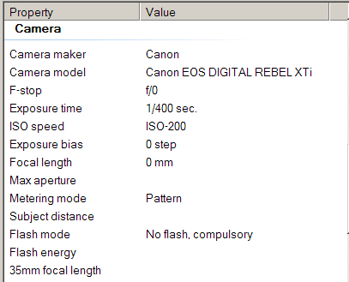
2019-02-26 | 9:22:00 | IMG_4523.JPG

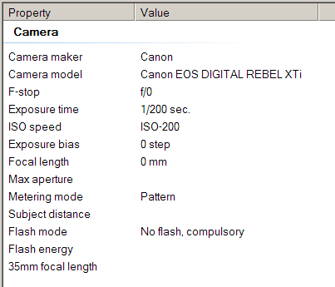
2019-02-27 | 9:13:00 | IMG_4564.JPG

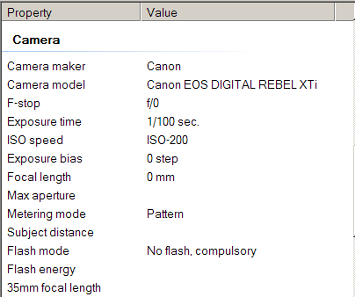
2019-02-28 | 8:22:00 | IMG_4612.JPG

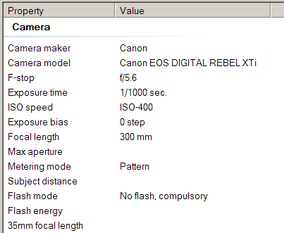
2019-02-28 | 10:08:00 | IMG_4648.JPG

Favorites_2019_Mar
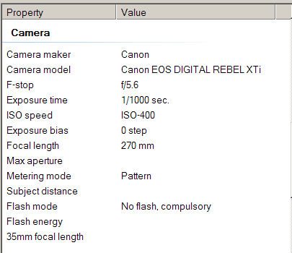
Date | Time | Picture | Camera Setting | Note: All Camera Setting with F-stop at f/0 shot with a non-Canon super telephoto so F-stop and Focal length info not available.
2019-03-01 | 8:07:00 | IMG_4705.jpg

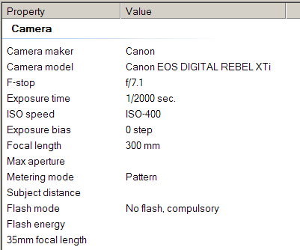
2019-03-04 | 10:06:00 | IMG_4738.JPG

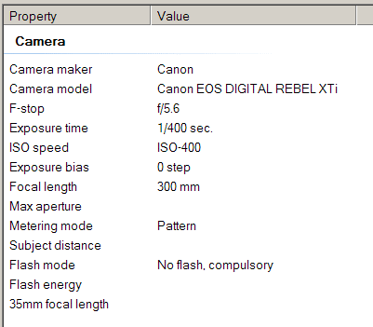
2019-03-07 | 10:11:00 | IMG_4960.JPG

2019-03-09 | 10:11:00 | IMG_5011.JPG

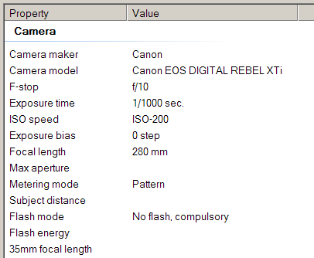
2019-03-10 | 14:32:00 | IMG_5112.JPG

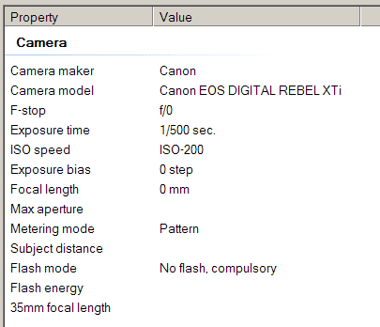
2019-03-11 | 7:12:00 | IMG_5343.JPG

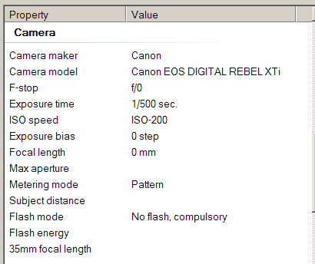
2019-03-11 | 7:12:00 | IMG_5344.JPG

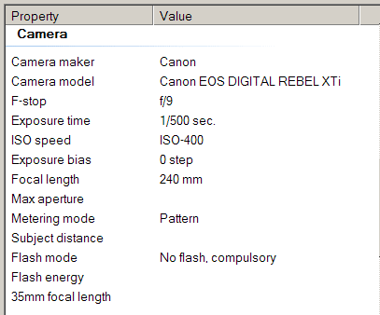
2019-03-12 | 11:02:00 | IMG_5412.JPG

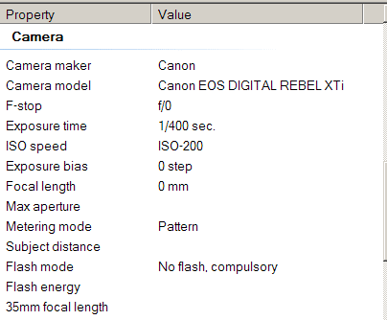
2019-03-15 | 18:19:00 | IMG_5627.JPG

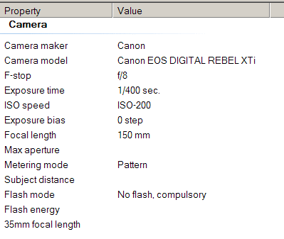
2019-03-16 | 13:14:00 | IMG_5645.JPG

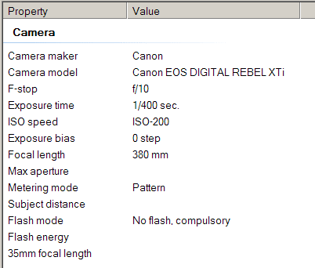
2019-03-17 | 13:14:00 | IMG_5715.JPG

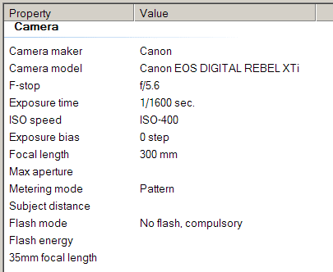
2019-03-20 | 13:14:00 | IMG_5806.JPG

2019-03-21 | 13:14:00 | IMG_5826.JPG

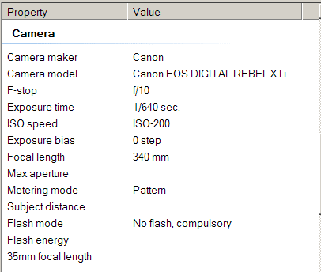
2019-03-24 | 13:14:00 | IMG_6078.JPG

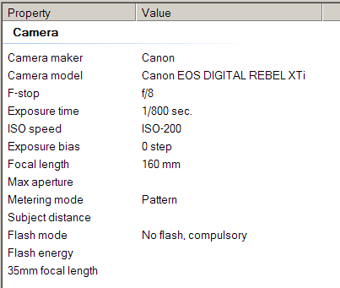
2019-03-26 | 13:14:00 | IMG_6206.JPG

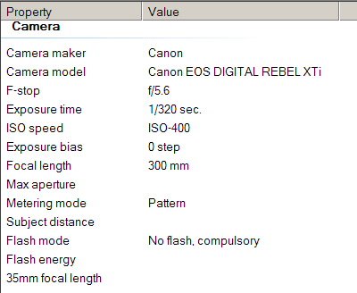
2019-03-29 | 13:14:00 | IMG_6424.JPG

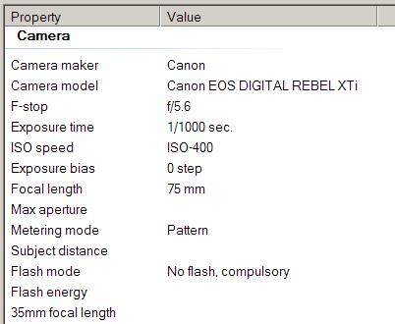
2019-03-30 | 9:09:00 | IMG_6459.JPG

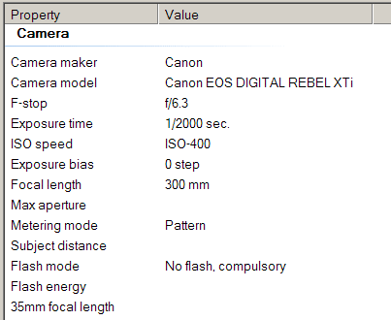
2019-03-30 | 11:54:00 | IMG_6490.JPG

Favorites_2019_Apr
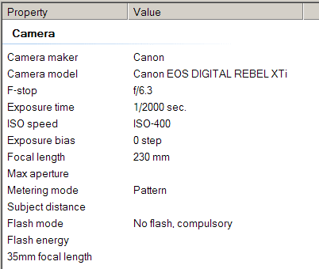
Date | Time | Picture | Camera Setting | Note: All Camera Setting with F-stop at f/0 shot with a non-Canon super telephoto so F-stop and Focal length info not available.
2019-04-01 | 13:40:00 | IMG_6620.jpg

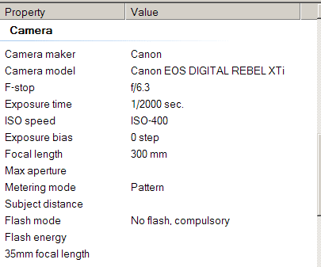
2019-04-07 | 13:40:00 | IMG_6680.jpg

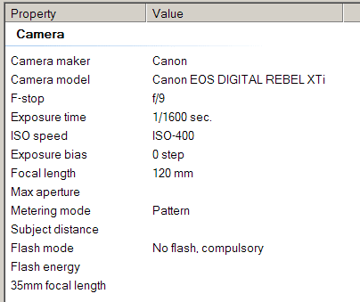
2019-04-11 | 9:53:00 | IMG_6765.jpg

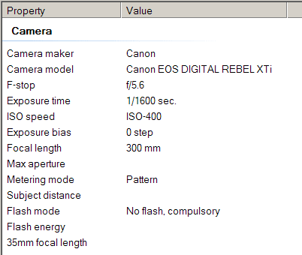
2019-04-17 | 10:20:00 | IMG_6860.jpg

